Hoja 1
 | CNN - Train | CNN - Pred | RNN - Train | RNN - Pred
"200" | 13,799 | 1,304 | 26,013 | 2,784 | 13,799,504 | 1,489,530 | 1,546,719 | 1,583,304 | 1,803,402
"100" | 14,895 | 1,369 | 26,198 | 2,871 | 130,491 | 136,940 | 131,524 | 132,560 | 1,371,974
"75" | 15,467 | 1,315 | 29,444 | 2,839 | 2,601,321 | 2,619,866 | 2,944,444 | 3,660,399 | 6,059,368
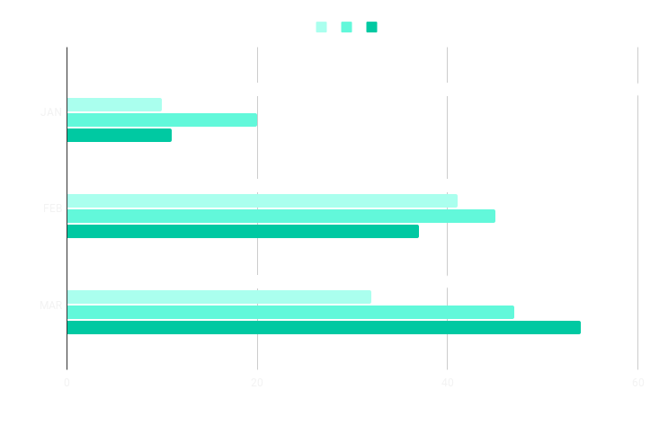
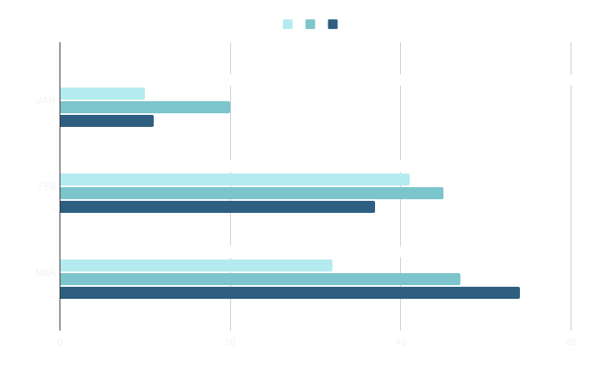
"50" | 15,833 | 1,325 | 36,603 | 2,819 | 278,476 | 287,182 | 283,948 | 281,994 | 280,047
"25" | 18,034 | 1,371 | 60,593 | 2,800

Mini-Batch Size vs Runtime

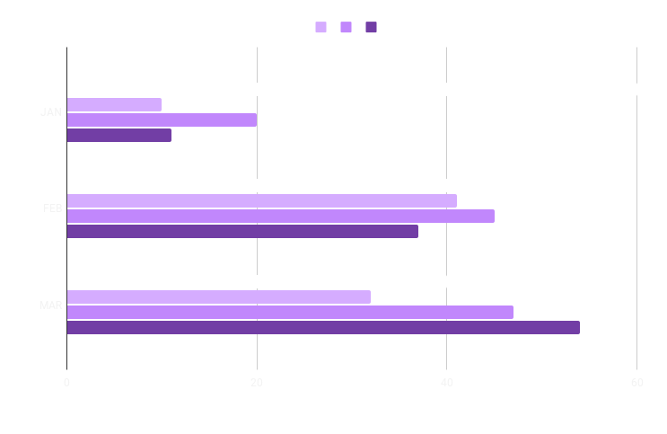
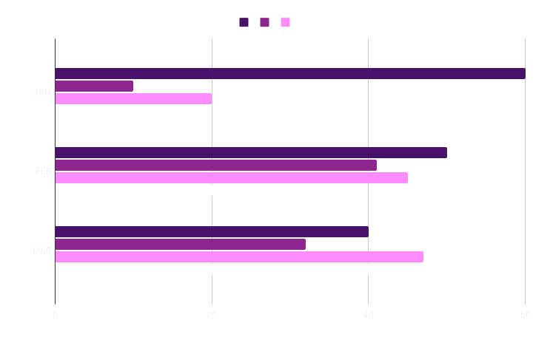

Mini-Batch Size vs Runtime

